Web
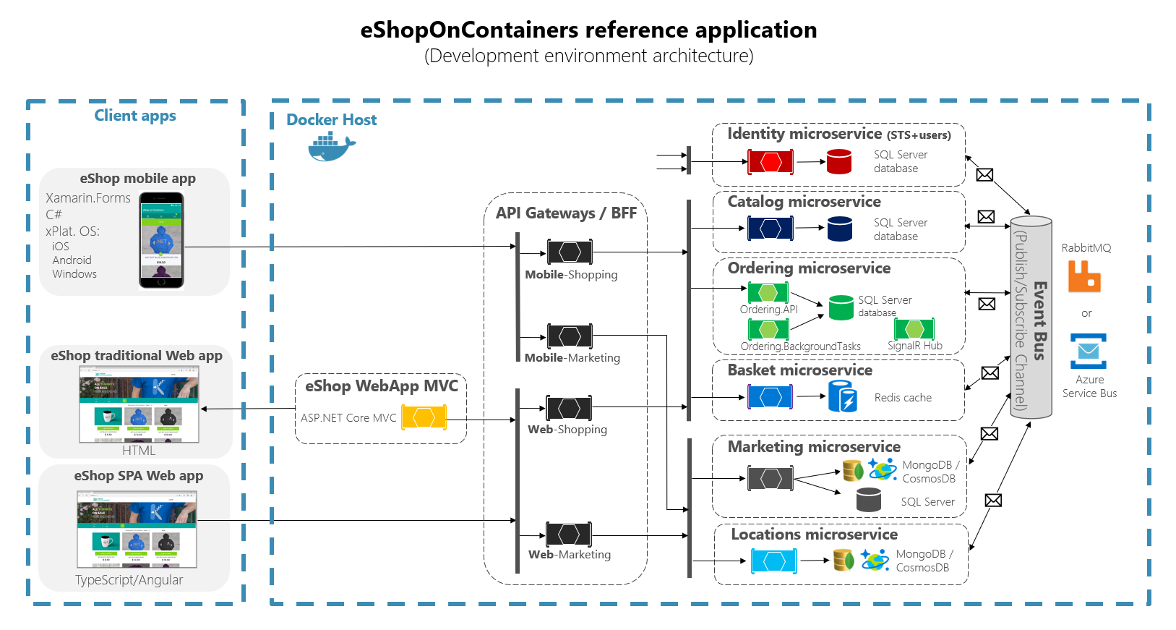
Massive web in "a place call service in other place"

Product Microsevice
Comment Microsevice
Categories Microsevice
Rating Microsevice
…..

Js
Cheat sheet
http://overapi.com/javascript

basic not design pattern
https://javascript.info/

15 JavaScript concepts that every (JavaScript) Programmer must know.
https://medium.com/@madasamy/15-javascript-concepts-that-every-nodejs-programmer-must-to-know-6894f5157cb7

Explanation and Detail about NodeJs & epic battle of Java and NodeJs
https://medium.com/@madasamy/explain-and-detail-about-nodejs-epic-battle-of-an-java-vs-nodejs-c0f90f1f0d5f

JavaScript: Execution of Synchronous and Asynchronous codes
https://medium.com/@siddharthac6/javascript-execution-of-synchronous-and-asynchronous-codes-40f3a199e687

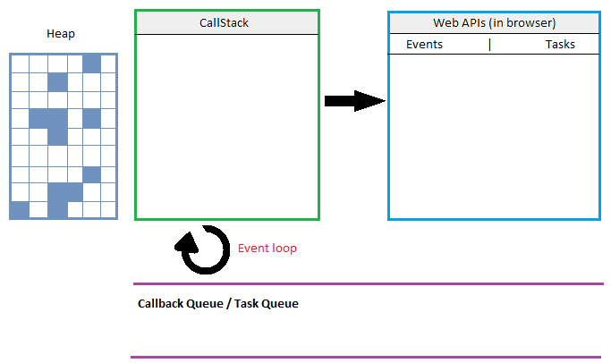

Prototypes in JavaScript
https://medium.com/better-programming/prototypes-in-javascript-5bba2990e04b

4 JavaScript Design Patterns You Should Know
https://scotch.io/bar-talk/4-javascript-design-patterns-you-should-know#undefined

Event loop trong javascript là gì?
https://www.youtube.com/watch?v=64ASqMjj9_o&t=552s | s

